Original
2.29 CaL |  |  |  |  |  |  |  | 2.29 CaL |  |  |  |  |  |  | 2.29 CaL
Table 1: Calcium Transient Morphology |  |  |  |  |  |  |  | Table 2: % Contribution of Calcium Flux |  |  |  |  |  |  | Table 3: Action Potential Morphology
 | Baseline | Model 1 (Ikr) | Model 2 (Ikr+Ina,L) | Model 3 (Ikr+Ica,P) | Model 4 (Ikr+Ina+Ica) | Fold Change M4:Base) |  |  | Baseline | Model 1 (Ikr) | Model 2 (Ikr+Ina,L) | Model 3 (Ikr+Ica,P) | Model 4 (Ikr+Ina+Ica) | Fold Change M4:Base) |  | Baseline | Model 1 (Ikr) | Model 2 (Ikr+Ina,L) | Model 3 (Ikr+Ica,P) | Model 4 (Ikr+Ina+Ica) | Fold Change M4:Base)
Peak [Ca²⁺] (nM) | 528.55 | 620.67 | 873.93 | 612.85 | 868.2 | 1.6426071327 |  | SERCA | 62 | 60.2 | 56.4 | 63.1 | 59.2 | 0.95483870968 | Resting Membrane Potential (mV) | -75.6 | -75.6 | -75.6 | -75.59 | -75.59 | 0.99986772487
Diastolic [Ca²⁺] (nM) | 68.42 | 65.09 | 65.05 | 65.12 | 65.09 | 0.95133002046 |  | NCX | 30.9 | 32.7 | 36.6 | 29.5 | 33.6 | 1.0873786408 | Amplitude (mV) | 108.87 | 110.63 | 108.21 | 111.68 | 109.71 | 1.0077156241
Time to Peak (ms) | 200.47 | 208 | 199.39 | 207.57 | 205.51 | 1.0251409188 |  | Non-NCX (SL-Pump) | 7.1 | 7.1 | 7 | 7.3 | 7.2 | 1.014084507 | Vmax (mV) | 34.28 | 35.03 | 32.61 | 36.09 | 34.12 | 0.99533255543
Tau Decay (ms) | 265.84 | 271.16 | 275.04 | 319.9 | 318.17 | 1.196847728 |  |  |  |  |  |  |  |  | dV/dt max (V/s) | 33.3 | 18.04 | 17.94 | 18 | 18.02 | 0.54114114114
 |  |  |  |  |  |  |  |  |  |  |  |  |  |  | APD30 (ms) | 300.4 | 312.24 | 329.76 | 363.25 | 381.41 | 1.2696737683
 |  |  |  |  |  |  |  |  |  |  |  |  |  |  | APD90 (ms) | 413.29 | 424.25 | 434.97 | 546.42 | 554.06 | 1.3406082896

1.05 CaL |  |  |  |  |  |  |  | 1.05 CaL |  |  |  |  |  |  | 1.05 CaL
Table 1: Calcium Transient Morphology |  |  |  |  |  |  |  | Table 2: % Contribution of Calcium Flux |  |  |  |  |  |  | Table 3: Action Potential Morphology
 | Baseline | Model 1 (Ikr) | Model 2 (Ikr+Ina,L) | Model 3 (Ikr+Ica,P) | Model 4 (Ikr+Ina+Ica) | Fold Change M4:Base) |  |  | Baseline | Model 1 (Ikr) | Model 2 (Ikr+Ina,L) | Model 3 (Ikr+Ica,P) | Model 4 (Ikr+Ina+Ica) | Fold Change M4:Base) |  | Baseline | Model 1 (Ikr) | Model 2 (Ikr+Ina,L) | Model 3 (Ikr+Ica,P) | Model 4 (Ikr+Ina+Ica) | Fold Change M4:Base)
Peak [Ca²⁺] (nM) | 528.55 | 620.67 | 873.93 | 619.88 | 873.31 | 1.65 |  | SERCA | 62.00 | 60.20 | 56.40 | 60.40 | 56.60 | 0.91 | Resting Membrane Potential (mV) | -75.60 | -75.60 | -75.60 | -75.60 | -75.60 | 1.00
Diastolic [Ca²⁺] (nM) | 68.42 | 65.09 | 65.05 | 65.09 | 65.06 | 0.95 |  | NCX | 30.90 | 32.70 | 36.60 | 32.50 | 36.40 | 1.18 | Amplitude (mV) | 109.87 | 110.63 | 108.21 | 110.71 | 108.33 | 0.99
Time to Peak (ms) | 200.47 | 208.00 | 199.39 | 208.39 | 199.87 | 1.00 |  | Non-NCX (SL-Pump) | 7.10 | 7.10 | 7.00 | 7.10 | 7.00 | 0.99 | Vmax (mV) | 34.28 | 35.03 | 32.61 | 35.12 | 32.73 | 0.95
Tau Decay (ms) | 265.84 | 271.16 | 275.04 | 273.64 | 278.51 | 1.05 |  |  |  |  |  |  |  |  | dV/dt max (V/s) | 33.30 | 18.04 | 17.94 | 18.01 | 17.97 | 0.54
 |  |  |  |  |  |  |  |  |  |  |  |  |  |  | APD30 (ms) | 300.40 | 312.24 | 329.76 | 315.77 | 333.56 | 1.11

 |  |  |  |  |  |  |  |  |  |  |  |  |  |  | APD50 (ms) | 356.92 | 369.61 | 381.52 | 374.54 | 386.63 | 1.08
 |  |  |  |  |  |  |  |  |  |  |  |  |  |  | APD90 (ms) | 413.29 | 424.25 | 434.97 | 430.97 | 441.82 | 1.07

Pacing ON. Mature Phenotype (g_Na = 1.45, g_K1 = 2) with g_K1 increased from 2 to 5. Modified BOTH I-Ca,L,P and I-Na,L
Table 2: Calcium Transient Morphology |  |  |  |  |  | Fold Change |  | Table 3: % Contribution of Calcium Flux |  |  |  |  |  |  | Table 1: Action Potential Morphology |  |  |  |  |  | Fold Change
 | Baseline | Model 1 (Ikr) | Model 2 (Ikr+Ina,L) | Model 3 (Ikr+Ica,P) | Model 4 (Ikr+Ina+Ica) | Model 4:Baseline | Experimental (G604S:Control) |  | Baseline | Model 1 (Ikr) | Model 2 (Ikr+Ina,L) | Model 3 (Ikr+Ica,P) | Model 4 (Ikr+Ina+Ica) | Fold Change (Model 4:Baseline) |  | Baseline | Model 1 (Ikr) | Model 2 (Ikr+Ina,L) | Model 3 (Ikr+Ica,P) | Model 4 (Ikr+Ina+Ica) | Model 4:Baseline | Experimental (G604S:Control)
Peak [Ca²⁺] (nM) | 603.99 | 588.83 | 585.84 | 602.01 | 598.97 | 0.99 |  | SERCA | 58.60 | 62.60 | 62.70 | 63.80 | 63.90 | 1.09 | Resting Membrane Potential (mV) | -75.74 | -75.73 | -75.73 | -75.73 | -75.73 | 1.00 | 0.93
Diastolic [Ca²⁺] (nM) | 53.51 | 53.60 | 53.63 | 54.00 | 54.00 | 1.01 |  | NCX | 34.10 | 29.80 | 29.70 | 28.70 | 28.60 | 0.84 | Amplitude (mV) | 113.03 | 114.09 | 114.13 | 114.25 | 114.29 | 1.01 | 1.04
Time to Peak (ms) | 228.19 | 226.15 | 226.30 | 242.10 | 242.30 | 1.06 |  | Non-NCX (SL-Pump) | 7.40 | 7.60 | 7.60 | 7.60 | 7.60 | 1.03 | Vmax (mV) | 37.29 | 38.36 | 38.41 | 38.52 | 38.56 | 1.03 | 1.17
Tau Decay (ms) | 282.21 | 351.65 | 352.60 | 432.77 | 435.20 | 1.54 | 1.09 | sum | 100.10 | 100.00 | 100.00 | 100.10 | 100.10 |  | dV/dt max (V/s) | 110.83 | 116.60 | 118.94 | 116.60 | 118.94 | 1.07 | n/a
 |  |  |  |  |  |  |  |  |  |  |  |  |  |  | APD30 (ms) | 338.72 | 417.73 | 417.21 | 472.49 | 471.87 | 1.39 | 1.79
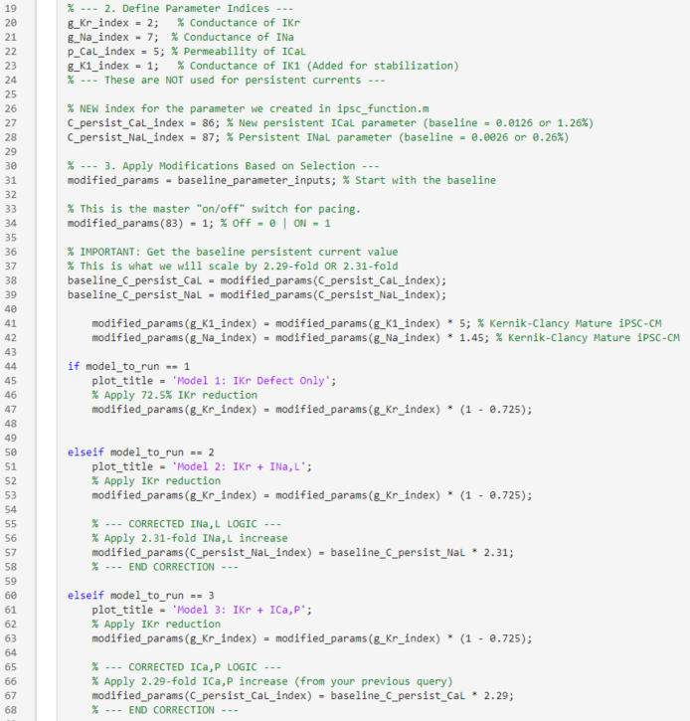
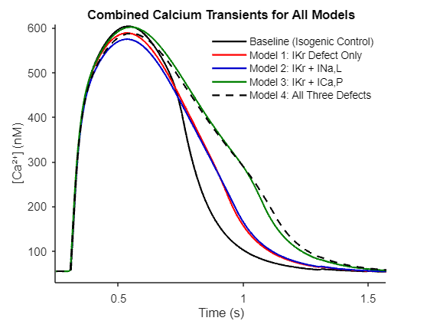
 |  |  |  |  |  |  |  |  |  |  |  |  |  |  | APD50 (ms) | 403.74 | 533.32 | 533.54 | 657.48 | 658.82 | 1.63 | 1.90
 |  |  |  |  |  |  |  |  |  |  |  |  |  |  | APD90 (ms) | 446.18 | 619.84 | 623.13 | 757.72 | 763.44 | 1.71 | 2.17

Does late inward sodium current of 0.26% (normalized to sodium peak current and from -1.3±0.4 pA/pF) measured via patch-clamp translate to the I-Na channel being persistently open for 0.26% of the total I-Na current?

